Sheet1
Colour in the lines United States,Harvard University admission rates* By ethnicity and academic ranking,2010-15,%
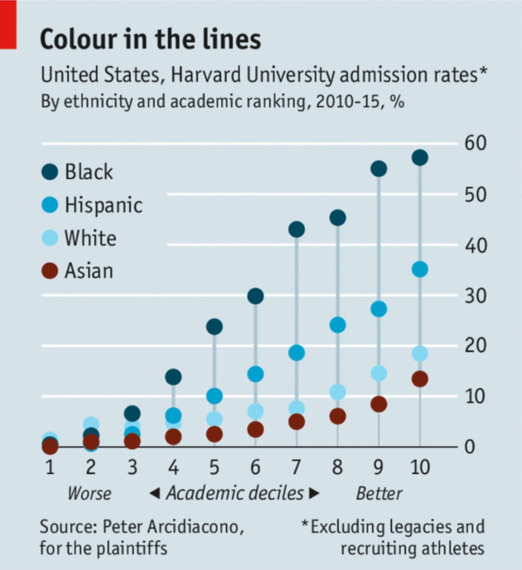
Colour in the lines

United States,Harvard University admission rates*
By ethnicity and academic ranking,2010-15,%

Academic deciles | Black | Hispanic | White | Asian
1 | 2 | 1 | 2 | 0
2 | 4 | 2 | 5 | 1
3 | 7 | 3 | 4 | 1
4 | 13 | 6 | 5 | 2
5 | 23 | 10 | 6 | 3
6 | 30 | 14 | 8 | 4
7 | 43 | 19 | 9 | 6
8 | 46 | 23 | 11 | 7
9 | 55 | 28 | 15 | 9
10 | 58 | 36 | 19 | 13

Source: Peter Arcidiacono,ofr the plaintiffs
*Excluding legacies and recruiting athletes

Worse Academic deciles Better

